Table 4-3 - inputs
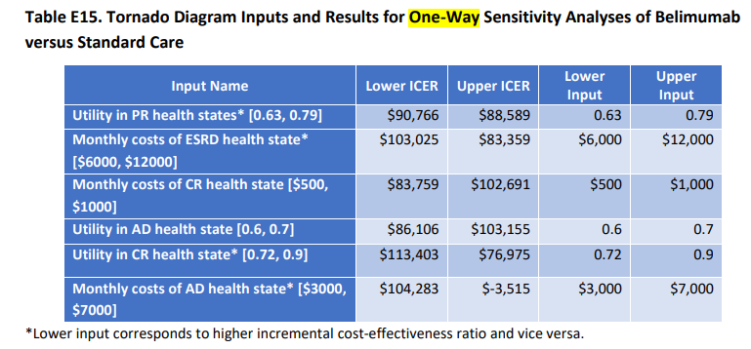
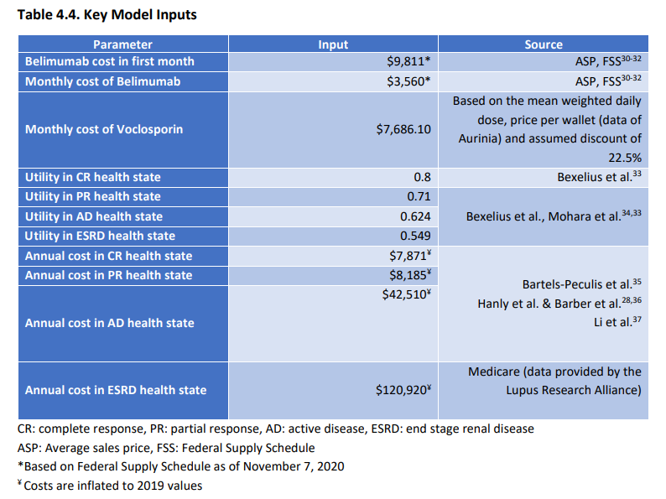
 | Assumptions |  |  | CE Ratios |  |  | Experts
Belimumab | Base case (a) | Low CE value (b) | High CE value (b) | Base case (c) | Low CE value (d) | High CE value (d) | Group 1 | Group 2
Utility weight - Complete response | 0.80 | 0.72 | 0.90 | $89,663 | $113,403 | $76,975 | 0.8 | 0.85
Utility weight - Partial response | 0.71 | 0.63 | 0.79 | $89,663 | $90,766 | $88,589 | 0.71 | 0.74
Utility weight - Active disease | 0.624 | 0.60 | 0.70 | $89,663 | $86,106 | $103,155 | 0.624 | 0.57

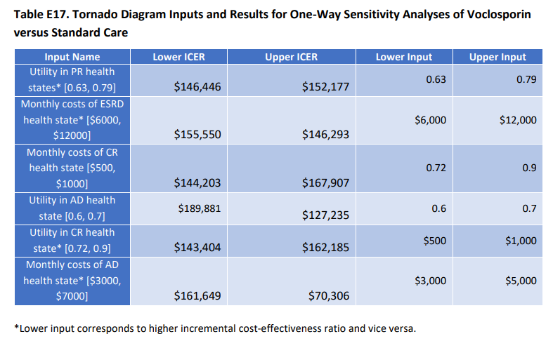
 | Assumptions |  |  | CE Ratios |  |  | Experts
Voclosporin | Base case (a) | Low CE value (b) | High CE value (b) | Base case (c) | Low CE value (d) | High CE value (d) | Group 1 | Group 2
Utility weight - Complete response | 0.80 | 0.72 | 0.90 | $149,260 | $143,404 | $162,185 | 0.8 | 0.85
Utility weight - Partial response | 0.71 | 0.63 | 0.79 | $149,260 | $146,446 | $152,177 | 0.71 | 0.74
Utility weight - Active disease | 0.624 | 0.60 | 0.70 | $149,260 | $189,881 | $127,235 | 0.624 | 0.57

Notes - Belimumab | (a) | For CR, PR, AD, and ESRD, utility weight base case values come from Table 4.4.
 | (b) | For CR, PR, and AD, utility weight lower and upper utility values come from Table E15 for Belimumab. For ESRD, see formulas.
 | (c) | Cost-per-QALY base case value comes from Table 4.5
 | (d) | For CR, PR, and AD, utility weight lower and upper cost-effectiveness values come from Table E15 for Belimumab

Notes - Voclosporin | (a) | Same as note (a) for Belimumab
 | (b) | For CR, PR, and AD, utility weight lower and upper utility values come from Table E17 for Voclosporin
 | (c) | Cost-per-QALY base case value comes from Table 4.6
 | (d) | For CR, PR, and AD, utility weight lower and upper cost-effectiveness values come from Table E17 for Voclosporin

Figures
 | ICER |  | Expert Group 1 |  | Expert Group 2 |  | 100K Benchmark |  | 150K Benchmark
$90 | 1 | $90 | 1 | $81 | 1 | 100 | 0 | 150 | 0
$90 | 0.75 | $90 | 0.75 | $89 | 0.75 | 100 | 3 | 150 | 3
$90 | 0.5 | $90 | 0.5 | $82 | 0.5
$90 | 2.5 | $90 | 2.5 | $124 | 2.5
$90 | 2.25 | $90 | 2.25 | $53 | 2.25
$90 | 2 | $90 | 2 | $89 | 2
Monthly costs
 |  | Analysis (a) Belimumab
 |  | ICER | Expert Group 1 | Expert Group 2 | 100K Benchmark | 150K Benchmark | Assumption Group
Utility weights | Utility weight - Complete response | $90 | $90 | $81 |  |  | 1
 | Utility weight - Partial response | $90 | $90 | $89 |  |  | 0.75
 | Utility weight - Active disease | $90 | $90 | $82 |  |  | 0.5

Utility weights
Monthly costs | Cost per month - Complete response | $90 | $90 | $124 |  |  | 2.5
 | Cost per month - Active disease | $90 | $90 | $53 |  |  | 2.25
 | Cost per month - End stage renal disease | $90 | $90 | $89 |  |  | 2

 |  |  |  |  | 100 |  | 0
 |  |  |  |  | 100 |  | 3

 |  |  |  |  |  | 150 | 0
 |  |  |  |  |  | 150 | 3

 | ICER |  | Expert Group 1 |  | Expert Group 2 |  | 100K Benchmark |  | 150K Benchmark
$149 | 1 | $149 | 1 | $155 | 1 | 100 | 0 | 150 | 0
$149 | 0.75 | $149 | 0.75 | $150 | 0.75 | 100 | 3 | 150 | 3
$149 | 0.5 | $165 | 0.5 | $194 | 0.5
$149 | 2.5 | $149 | 2.5 | $222 | 2.5
$149 | 2.25 | $149 | 2.25 | $118 | 2.25
$149 | 2 | $149 | 2 | $149 | 2
 |  | Analysis (b) Voclosporin
 |  | ICER | Expert Group 1 | Expert Group 2 | 100K Benchmark | 150K Benchmark | Assumption Group
Utility weights | Utility weight - Complete response | $149 | $149 | $155 |  |  | 1
 | Utility weight - Partial response | $149 | $149 | $150 |  |  | 0.75
 | Utility weight - Active disease | $149 | $165 | $194 |  |  | 0.5

Monthly costs | Cost per month - Complete response | $149 | $149 | $222 |  |  | 2.5
 | Cost per month - Active disease | $149 | $149 | $118 |  |  | 2.25
 | Cost per month - End stage renal disease | $149 | $149 | $149 |  |  | 2

 |  |  |  |  | 100 |  | 0
 |  |  |  |  | 100 |  | 3

 |  |  |  |  |  | 150 | 0
 |  |  |  |  |  | 150 | 3

Figures main
 | ICER |  | Expert Group 1 |  | Expert Group 2 |  | 100K Benchmark |  | 150K Benchmark
$90 | 3.5 | $90 | 3.5 | $81 | 3.5 | 100 | 0 | 150 | 0
$90 | 3.5 | $90 | 3.5 | $89 | 3.5 | 100 | 4 | 150 | 4
$90 | 3.5 | $90 | 3.5 | $82 | 3.5
$90 | 2.5 | $90 | 2.5 | $124 | 2.5
$90 | 2.5 | $90 | 2.5 | $53 | 2.5
$90 | 2.5 | $90 | 2.5 | $89 | 2.5
$149 | 1.5 | $149 | 1.5 | $155 | 1.5
$149 | 1.5 | $149 | 1.5 | $150 | 1.5
$149 | 1.5 | $165 | 1.5 | $194 | 1.5
$149 | 0.5 | $149 | 0.5 | $222 | 0.5
$149 | 0.5 | $149 | 0.5 | $118 | 0.5
$149 | 0.5 | $149 | 0.5 | $149 | 0.5
 | Analysis (a) Belimumab | ICER | Expert Group 1 | Expert Group 2 | 100K Benchmark | 150K Benchmark | Assumption Group
Utility weights | Utility weight - Complete response | $90 | $90 | $81 |  |  | 3.5
 | Utility weight - Partial response | $90 | $90 | $89 |  |  | 3.5
 | Utility weight - Active disease | $90 | $90 | $82 |  |  | 3.5

Monthly costs | Cost per month - Complete response | $90 | $90 | $124 |  |  | 2.5
 | Cost per month - Active disease | $90 | $90 | $53 |  |  | 2.5
 | Cost per month - End stage renal disease | $90 | $90 | $89 |  |  | 2.5

 | Analysis (b) Voclosporin
Utility weights | Utility weight - Complete response | $149 | $149 | $155 |  |  | 1.5
 | Utility weight - Partial response | $149 | $149 | $150 |  |  | 1.5
 | Utility weight - Active disease | $149 | $165 | $194 |  |  | 1.5

Monthly costs | Cost per month - Complete response | $149 | $149 | $222 |  |  | 0.5
 | Cost per month - Active disease | $149 | $149 | $118 |  |  | 0.5
 | Cost per month - End stage renal disease | $149 | $149 | $149 |  |  | 0.5

 |  |  |  |  | 100 |  | 0
 |  |  |  |  | 100 |  | 4

 |  |  |  |  |  | 150 | 0
 |  |  |  |  |  | 150 | 4

